Introduction
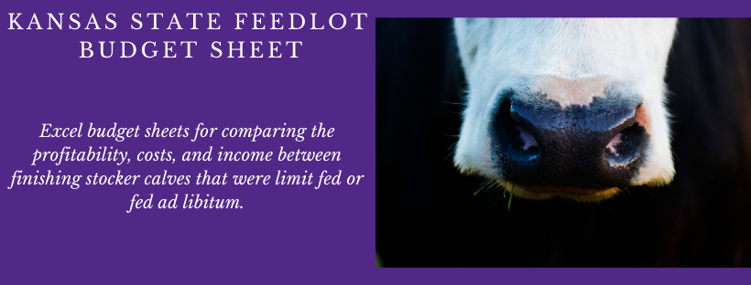
INTRODUCTION: These budget sheets were developed to serve as a barometer of the profitability for the feedlot sector to compare the profitability of finishing stocker calves that have been limit fed or fed ad libitum. These budgets are not intended to represent any one operation and each individual should adjust key inputs to reflect their own operation.
INSTRUCTIONS FOR THE USER: Blue values are inputs that should be changed from the defaults to match your operation. Black values are automatically calculated and should not be adjusted. Prior to beginning go to the Feed tab and update the values to represent the quantity of each ingredient used. The seasonality tab can be used to update the premiums and discounts for the month you will be marketing fed cattle.
Production Efficiency Measures:
Death Loss: Percentage of animals normally lost
Days on Feed and Average Daily Gain: Will be used to calculate ending weight and be multiplied by feed inputs which are on a per day basis. ADG is a large driver of returns, so this should be adjusted to fit the operation.
Anticipated Average Daily Gain: According to a recent study at the KSU Beef Stocker Unit and Pratt Feeders, calves fed ad libitum at the stocker phase, had greater ADG at the feedlot than calves limit fed during the stocker phase.
Gross Return:
Fed Animal Sale Price: Default is based upon a 3-year average Fed Steer price. This value should be adjusted based on when marketing calves and if marketing steers or heifers.
Purchase Price: Default is based upon a 3-year average 700-900 pound Feeder Steer price. This value should be updated by the user based on when purchasing calves and if purchasing steers or heifers.
Death Loss: Death loss percentage is multiplied by the purchase price to determine the deduction
Variable Costs:
Harvested Forage: In the feed tab, a daily ration of hay, silage, and alfalfa gets combined and multiplied by days in the finishing lot. The price is weighted based on the proportions of each forage.
Grain/ Protein Supplement: In the feed tab, a daily ration of corn, soybean meal, and distiller’s grains gets combined and multiplied by days in the finishing lot. The price is weighted based on the proportions of each forage.
Mineral: In the feed tab, a daily amount is entered which is multiplied by days in the finishing lot.
Anticipated Increase in Feed Cost: According to the study at the KSU Beef Stocker Unit and Pratt Feeders, calves that were limit fed at the stocker phase required an additional feed cost of $6 per cwt.
Labor: Researched labor per animal is .30 hours per month. KFMA data was used to determine a dollar per hour estimate
Vet Medicine/ Drugs: This is a KFMA value
Livestock Marketing: This is a KFMA value which includes trucking and sale commissions
Utilities, Gas, Fuel, Oil: This is a KFMA value which includes fuel and oil for equipment, and the enterprise’s share of telephone, electricity, gas, and water expenses.
Machinery, Facility/ Equip. Repairs: This is a KFMA value
Cash Interest Paid: This is a KFMA value
Other Variable Costs: Rough sum of all other KFMA variable costs, includes fees/ publications/ travel, building rent, conservation, and auto expenses
Fixed Costs:
Depreciation: This is a KFMA value
Taxes: This is a KFMA value
Farm/ Livestock Insurance: This is a KFMA value for general farm insurance
Opportunity Cost of Investment: This is a KFMA interest charge value. It does not represent cash interest paid, but rather a measure to reflect the interest that could have been earned had the investment been made elsewhere.

Feed
Feed Quantity and Prices

Update each blue value to represent the quanity of the ingredient used
 | Per Animal Unit |  | Prices
 | Qty | Unit
Prairie/Brome Hay | 1.50 | lbs/day | 70.0 | $/ton | 0.035 | $/lb
Silage | 0.00 | lbs/day | 29.6 | $/ton | 0.0148 | $/lb
Alfalfa | 1.50 | lbs/day | 140.0 | $/ton | 0.07 | $/lb
Total Harvested Forage | 3.00 | lbs/day | 239.6 | $/ton | 0.0525 | $/lb
Corn | 17.00 | lbs/day | 144.3 | $/ton | 0.07215 | $/lb
DDG's | 5.00 | lbs/day | 155.0 | $/ton | 0.0775 | $/lb
Soybean Meal | 0.00 | lbs/day | 296.0 | $/ton | 0.148 | $/lb
Total Grain/Protein Supplements | 22.00 | lbs/day | 595.3 | $/ton | 0.073365909091 | $/lb
Salt and Mineral | 0.500 | lbs/day | 600.0 | $/ton | 0.15 | $/lb

