Introduction
KSU-Own Baler

An Excel spreadsheet to evaluate the economic costs of owning and operating a large square or large round hay baler.

 |  |  |  |  |  |  |  |  | Version- 6.30.16
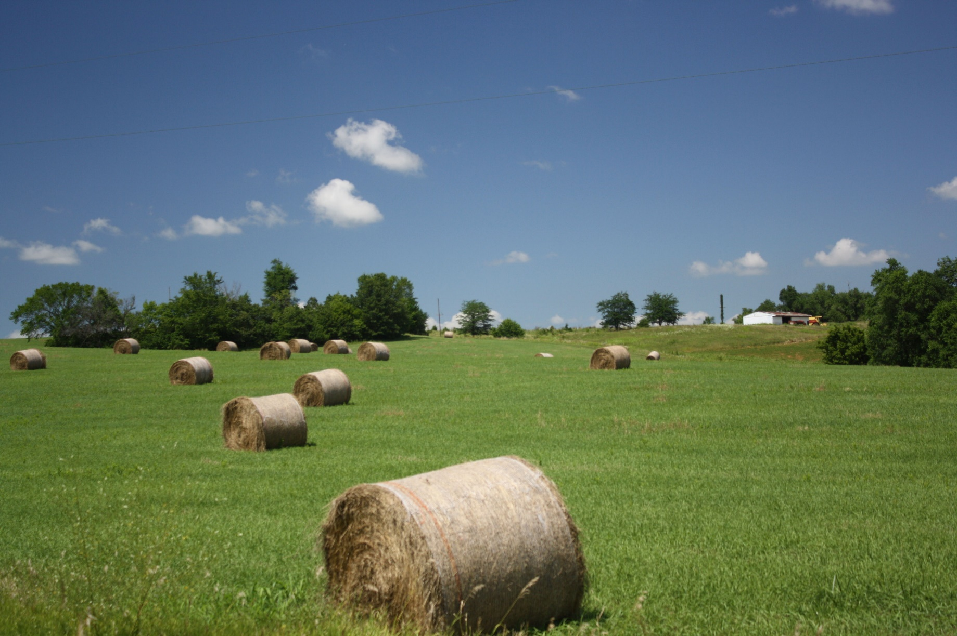

INSTRUCTIONS FOR THE USER:
Be sure to "Enable Content" and "Enable Macros" for the spreadsheet to function correctly. This spreadsheet uses macros to print the three different pages, however printing can also be done manually by highlighting the desired range and using the menu print commands.

In the "User input" tab all blue numbers are inputs and all black numbers are calculated from these inputs. Several input cells (i.e., blue number) have a red diamond in the upper right hand corner of the cell. By moving your mouse cursor over this diamond, a brief description of the input will be displayed on the screen.

FOR MORE INFORMATION:
For explanation of the inputs used in this spreadsheet see the supporting paper:
Evaluating Baler Ownership with the Own Baler Spreadsheet
*This publication provides information on how to use the tool, however some values in the tool have been updated since the paper was written.

With Questions contact: |  |  |  |  | Originally Developed by:

Rich Llewelyn |  |  |  |  | Kevin C. Dhuyvetter, Ph.D.
Extension Assistant |  |  |  |  | Former Agricultural Economist
Kansas State University |  |  |  |  | Kansas State University
rvl@ksu.edu
785-532-1504 |  |  |  |  | Terry L. Kastens, Ph.D.
 |  |  |  |  | Emeritus Agricultural Economist
 |  |  |  |  | Kansas State University

Copyright 2016 AgManager.info, K-State Department of Agricultural Economics

Red numbers are our inputs (don't want users changing any of this stuff)

Coefficients from lotus working spreadsheet (Balers2006.123)
 | size | age | usage | constant | lb/cu-ft | RF1 | RF2 | useful life | date
round | 0.0055190586962 | -0.05763658326 | -0.001 | 9.5325537623 | 12.025040145 | 0.55 | 1.8 | 1500 | 2011-07-12
square | 0.0047694346584 | -0.077698505044 | -0.00025 | 11.036526576 | 14.673311185 | 0.25 | 1.8 | 3000 | 2011-07-12

Information below is from Balers2006.123 spreadsheet
 | Information assumed for calculating hours from bale counts for purchased balers

Round Balers: |  |  |  |  |  | Square Balers:
avg mph when baling |  |  |  | 7 |  | avg mph when baling |  |  | 6.3
avg crop width baled in feet |  |  |  | 28 |  | avg crop width baled in feet |  |  | 29
calculated acre/hr when moving |  |  |  | 23.757575758 |  | calculated acre/hr when moving |  |  | 22.145454545
avg crop yield in T/acre/operation |  |  |  | 1.3 |  | avg crop yield in T/acre/operation |  |  | 1.2
avg wt of Vermeer 5x6 round bale in lb |  |  |  | 1700 |  | avg wt of 3x4 sq bale in lb |  |  | 1325
calculated bales per acre |  |  |  | 1.5294117647 |  | calculated bales per acre |  |  | 1.8113207547
calculated no-stopping bales/hr |  |  |  | 36.335115865 |  | calculated bales per hour |  |  | 40.112521441
minutes to make a bale |  |  |  | 1.6512951334 |  | calculated tons per hour |  |  | 26.574545455
total seconds stopped to wrap with twine |  |  |  | 35
total time in minutes per bale |  |  |  | 2.2346284668
actual bales/hour |  |  |  | 26.850100986
actual acres/hour |  |  |  | 17.55583526
calculated tons per hour |  |  |  | 22.822585838

Custom rate info to facilitate testing
2005 KAS custom rates are: |  |  |  | per bale | guess at wt | $/ton
Round (under 1500) twine |  |  |  | $8.12 | 1000 | $16.24
Round (over 1500) twine |  |  |  | $8.24 | 1750 | $9.42
Round (under 1500) net wrap |  |  |  | $9.00 | 1000 | $18.00
Round (over 1500) net wrap |  |  |  | $9.21 | 1750 | $10.53
Big square (about 1T) |  |  |  | $12.80 | 2000 | $12.80
Rental rates from Fall 2006 NAEDA |  |  |  | per bale
Round (over 1600+) |  |  |  | $5.75 | 1800 | $6.39
Round (1100-1500) |  |  |  | $5.25 | 1250 | $8.40
Round (<1000) |  |  |  | $4.75 | 800 | $11.88
Square (large) |  |  |  | $7.00 | 1250 | $11.20

NAEDA reported the same rental rates in 2006 as in 2005

