Intro
KSU-Bull vs AI Breeding Costs

An Excel spreadsheet to evaluate the economic costs and benefits of natural (bull) breeding versus artificial insemination (AI) in beef herds

 |  | Version- 11.11.2015
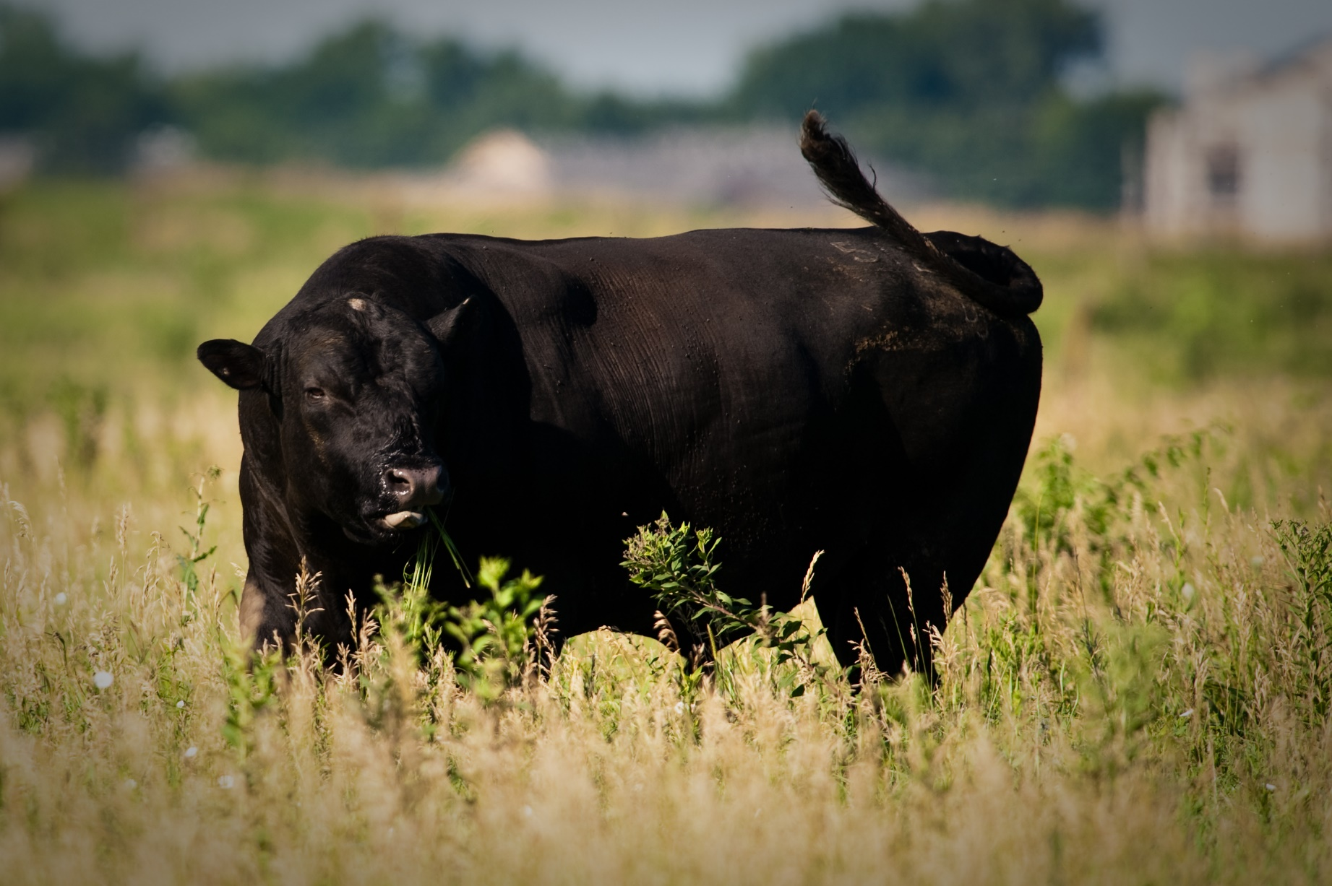

INTRODUCTION
A spreadsheet program to calculate the net present value of purchasing replacment heifers given expectations for calf selling price, weaning weights, cull cow price, and a target rate of return on investment.

INSTRUCTIONS FOR THE USER:
Be sure to "Enable Content" and "Enable Macros" for the spreadsheet to function correctly.
In the Comparison, Bull carrying cost details, and AI cost details tab all blue numbers are inputs and all black numbers are calculated from these inputs (green values are "pulled" from another tab). Several input cells (i.e., blue number) have a red diamond in the upper right hand corner of the cell. By moving your mouse cursor over this diamond, a brief description of the input will be displayed on the screen.

FOR MORE INFORMATION:
Updated by:

Dustin L. Pendell, Ph.D. | Sandy Johnson, Ph.D.
Agricultural Economist | Livestock Specialist
Department of Agricultural Economics | Northwest Research and Extension Center
Kansas State University | Kansas State University
dpendell@k-state.edu | sandyj@ksu.edu
785-532-3525 | 785-462-6281

ACKNOWLEDGEMENTS:
Originally developed by:

Kevin C. Dhuyvetter, Ph.D. | L. Curt Vogel, DVM
Former Extension Agricultural Economist | Associate Veterinarian
Department of Agricultural Economics | Western Edge Veterinary Center
Kansas State University
Copyright 2016 AgManager.info, K-State Department of Agricultural Economics

